Maps
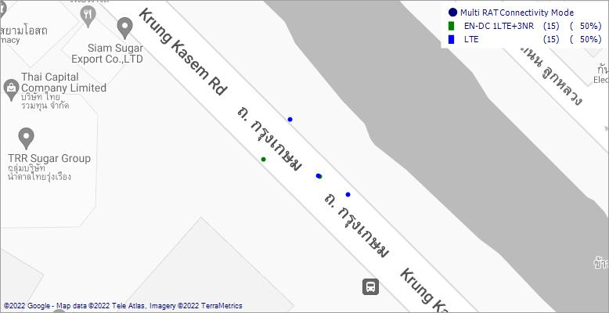
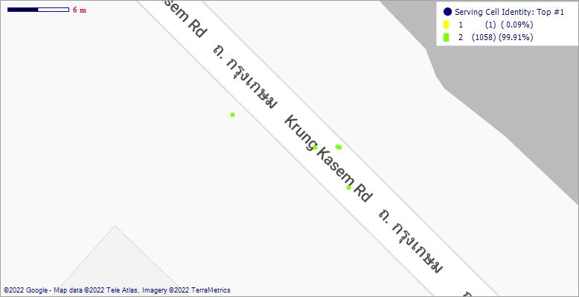
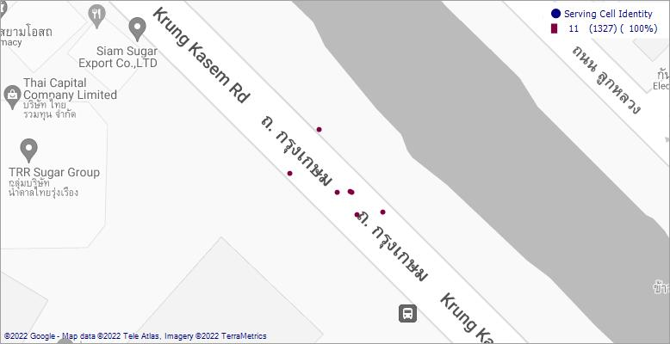
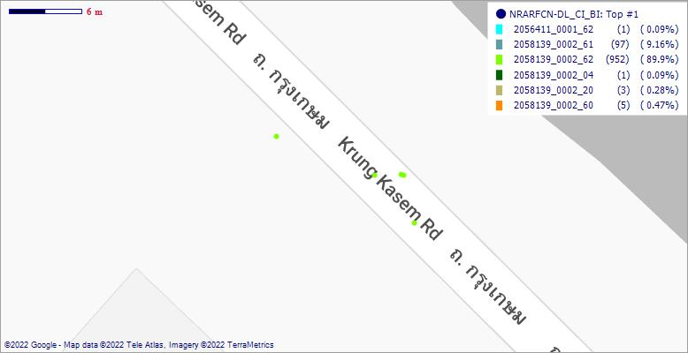
[NR] Serving SSB Beam RSRP |  |  |  | [LTE] Serving Cell RSRP |  |  |  | [NR] Serving SSB Beam RSRQ |  |  |  | [LTE] Serving Cell RSRQ
 |  | PDF (%) | CDF (%) |  |  | PDF (%) | CDF (%) |  |  | PDF (%) | CDF (%) |  |  | PDF (%) | CDF (%)
 | Range | PDF % | CDF % |  | Range | PDF % | CDF % |  | Range | PDF % | CDF % |  | Range | PDF % | CDF %
 | [< -120) | 0 | 0 |  | [Min, -120) | 0 | 0 |  | < -19.5 | 0 | 0 |  | [Min, -5) | 99.92 | 99.92
 | [-120, -110) | 0 | 0 |  | [-120, -115) | 0 | 0 |  | -19.5, -14 | 0 | 0 |  | [-5, 0) | 0.08 | 100
 | [-110, -100) | 0 | 0 |  | [-115, -105) | 0 | 0 |  | -14, -9 | 100 | 100 |  | [0, 5) | 0 | 100
 | [-100, -90) | 0 | 0 |  | [-105, -95) | 0 | 0 |  | -9, -3 | 0 | 100 |  | [5, 15) | 0 | 100
 | [-90, -70) | 0 | 0 |  | [-95, -85) | 0 | 0 |  | > -3 | 0 | 100 |  | [15, 25) | 0 | 100
 | [> -70] | 100 | 100 |  | [-85, Max] | 100 | 100 |  |  |  |  |  | [25, Max] | 0 | 100

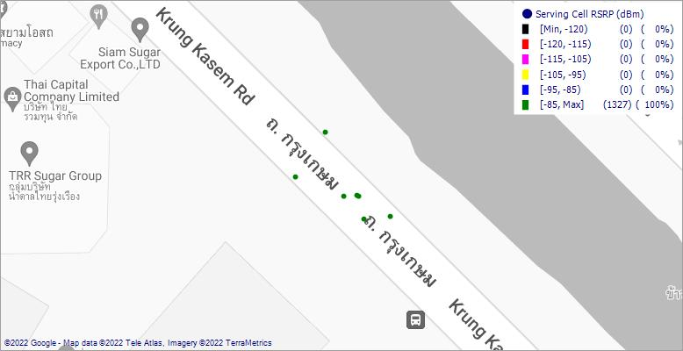
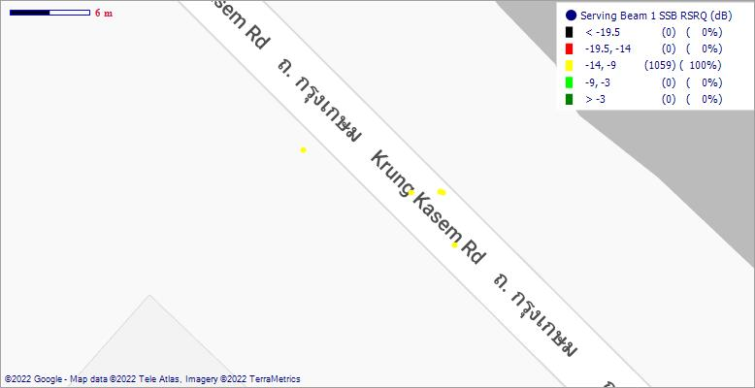
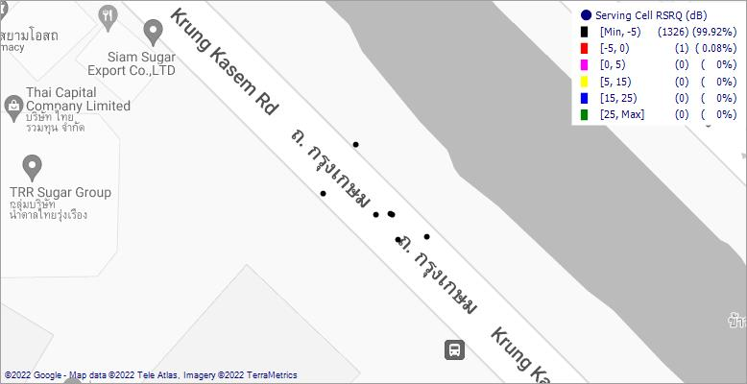
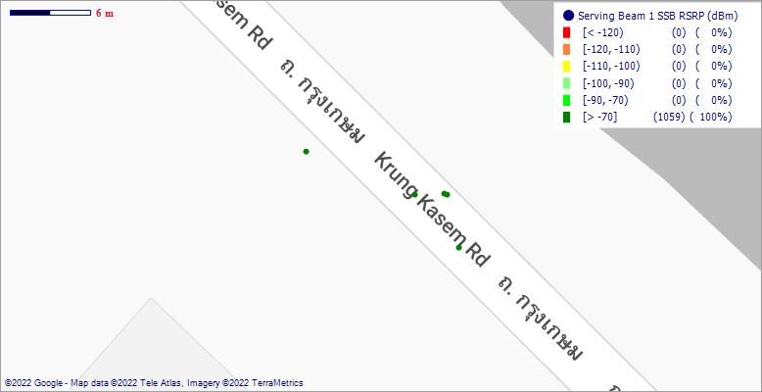

[NR] Serving SSB Beam SNR |  |  |  | [LTE] Serving Cell RS SINR |  |  |  | [NR] DL Pathloss |  |  |  | [LTE] DL Pathloss
 |  | PDF (%) | CDF (%) |  |  | PDF (%) | CDF (%) |  |  | PDF (%) | CDF (%) |  |  | PDF (%) | CDF (%)
 | Range | PDF % | CDF % |  | Range | PDF % | CDF % |  | Range | PDF % | CDF % |  | Range | PDF % | CDF %
 | [Min, -10) | 0 | 0 |  | [Min, -5) | 0 | 0 |  | [Min, 0) | 0 | 0 |  | [Min, 0) | 0 | 0
 | [-10, 0) | 0 | 0 |  | [-5, 0) | 0 | 0 |  | [0, 40) | 0 | 0 |  | [0, 40) | 0 | 0
 | [0, 5) | 0 | 0 |  | [0, 5) | 0 | 0 |  | [40, 80) | 100 | 100 |  | [40, 80) | 95.93 | 95.93
 | [5, 10) | 0 | 0 |  | [5, 15) | 0 | 0 |  | [80, 120) | 0 | 100 |  | [80, 120) | 4.07 | 100
 | [10, 15) | 0 | 0 |  | [15, 25) | 0 | 0 |  | [120, 160) | 0 | 100 |  | [120, 160) | 0 | 100
 | [15, 20) | 0 | 0 |  | [25, Max] | 100 | 100 |  | [160, 200) | 0 | 100 |  | [160, 200) | 0 | 100
 | [20, 25) | 0 | 0 |  |  |  |  |  | [200, 240) | 0 | 100 |  | [200, 240) | 0 | 100
 | [25, 30) | 0 | 0 |  |  |  |  |  | [240, Max] | 0 | 100 |  | [240, Max] | 0 | 100
 | [30, Max] | 0 | 0

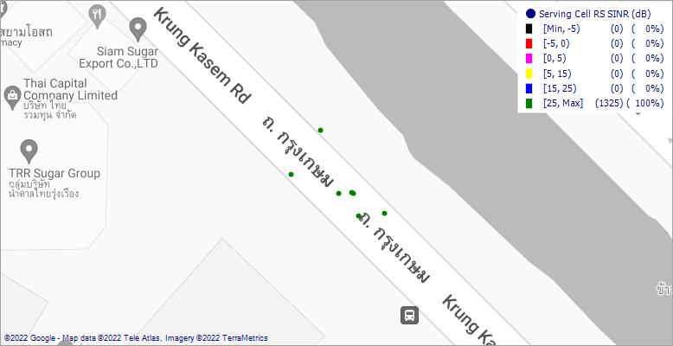
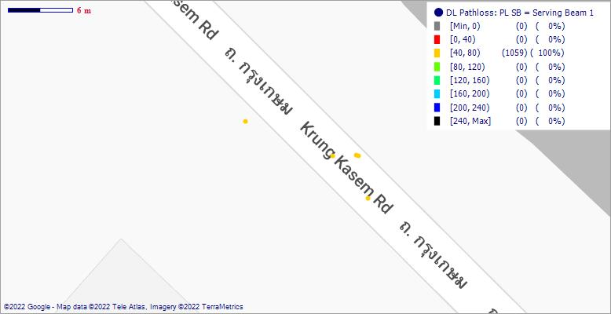
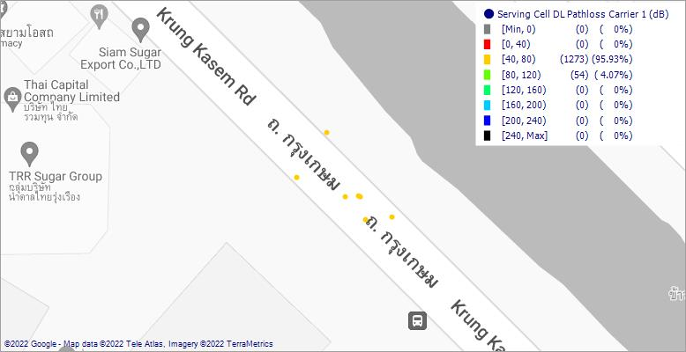

[NR] PUSCH Tx Power |  |  |  | [LTE] PUSCH Tx Power |  |  |  | [NR] PUCCH Tx Power |  |  |  | [LTE] PUCCH Tx Power
 |  | PDF (%) | CDF (%) |  |  | PDF (%) | CDF (%) |  |  | PDF (%) | CDF (%) |  |  | PDF (%) | CDF (%)
 | Range | PDF % | CDF % |  | Range | PDF % | CDF % |  | Range | PDF % | CDF % |  | Range | PDF % | CDF %
 | [Min, -50) | 0 | 0 |  | [Min, -50) | 0 | 0 |  | [Min, -50) | 0 | 0 |  | [Min, -50) | 0 | 0
 | [-50, -30) | 0 | 0 |  | [-50, -30) | 3.82 | 3.82 |  | [-50, -30) | 0 | 0 |  | [-50, -30) | 59.41 | 59.41
 | [-30, -20) | 0 | 0 |  | [-30, -20) | 37.02 | 40.85 |  | [-30, -20) | 0 | 0 |  | [-30, -20) | 36.49 | 95.9
 | [-20, -10) | 0 | 0 |  | [-20, -10) | 52.92 | 93.76 |  | [-20, -10) | 1.04 | 1.04 |  | [-20, -10) | 4.1 | 100
 | [-10, 0) | 0 | 0 |  | [-10, 0) | 6.24 | 100 |  | [-10, 0) | 90.26 | 91.3 |  | [-10, 0) | 0 | 100
 | [0, 10) | 91.39 | 91.39 |  | [0, 10) | 0 | 100 |  | [0, 10) | 8.7 | 100 |  | [0, 10) | 0 | 100
 | [10, 20) | 8.61 | 100 |  | [10, 20) | 0 | 100 |  | [10, 20) | 0 | 100 |  | [10, 20) | 0 | 100
 | [20, Max] | 0 | 100 |  | [20, Max] | 0 | 100 |  | [20, Max] | 0 | 100 |  | [20, Max] | 0 | 100

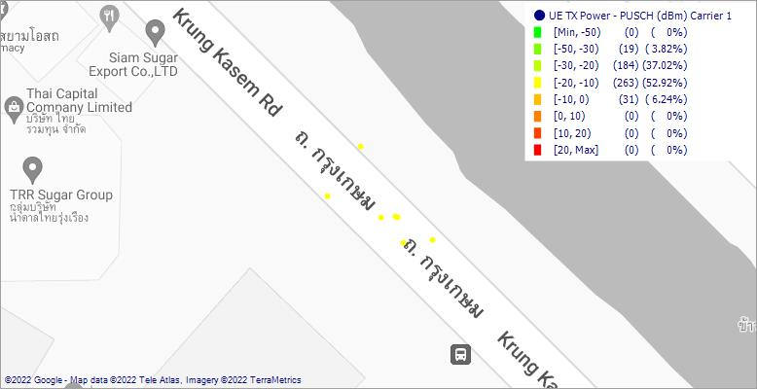
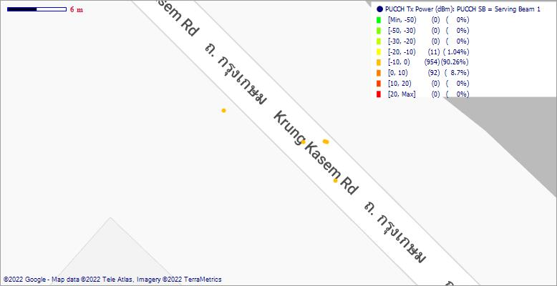
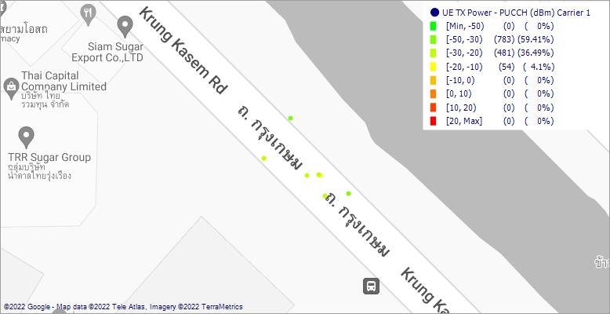
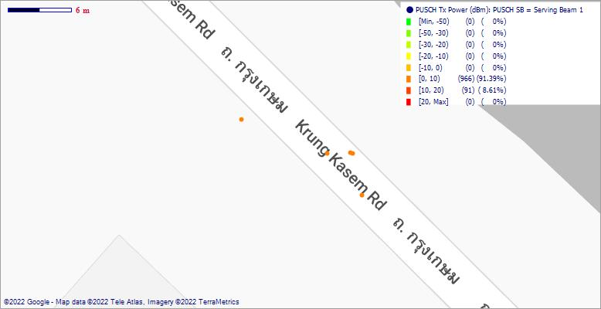

[NR] PDSCH Modulation |  |  |  | [LTE] PDSCH Modulation |  |  |  | [NR] PDSCH MCS |  |  |  | [LTE] PDSCH MCS
 |  | PDF (%) | CDF (%) |  |  | PDF (%) | CDF (%) |  |  | PDF (%) | CDF (%) |  |  | PDF (%) | CDF (%)
 | Range | PDF % | CDF % |  | Range | PDF % | CDF % |  | Range | PDF % | CDF % |  | Range | PDF % | CDF %
 | 16QAM | 6.44 | 6.44 |  | 16QAM | 37.35 | 37.35 |  | [Min, 0) | 0 | 0 |  | [Min, 0) | 0 | 0
 | 64QAM | 45.08 | 51.53 |  | 256QAM | 19.39 | 56.73 |  | [0, 5) | 42.03 | 42.03 |  | [0, 20) | 80.2 | 80.2
 | QPSK | 48.47 | 100 |  | 64QAM | 24.49 | 81.22 |  | [5, 10) | 6.44 | 48.47 |  | [20, 40) | 19.8 | 100
 |  |  |  |  | QPSK | 18.78 | 100 |  | [10, 15) | 2.03 | 50.51 |  | [40, 60) | 0 | 100
 |  |  |  |  |  |  |  |  | [15, 20) | 4.75 | 55.25 |  | [60, 80) | 0 | 100
 |  |  |  |  |  |  |  |  | [20, 25) | 6.44 | 61.69 |  | [80, 100) | 0 | 100
 |  |  |  |  |  |  |  |  | [25, 31) | 38.31 | 100 |  | [100, 120) | 0 | 100
 |  |  |  |  |  |  |  |  | [31, Max] | 0 | 100 |  | [120, Max] | 0 | 100

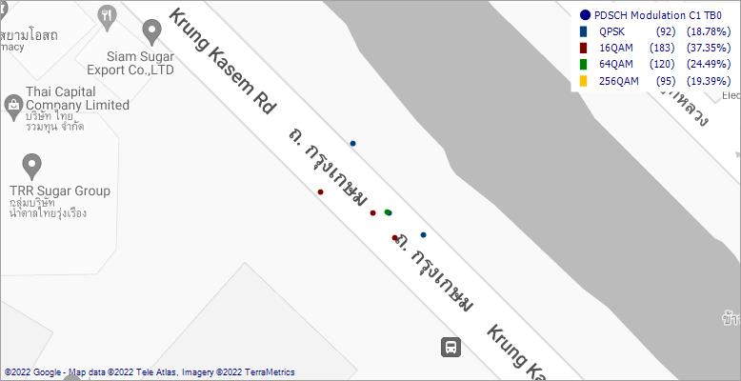
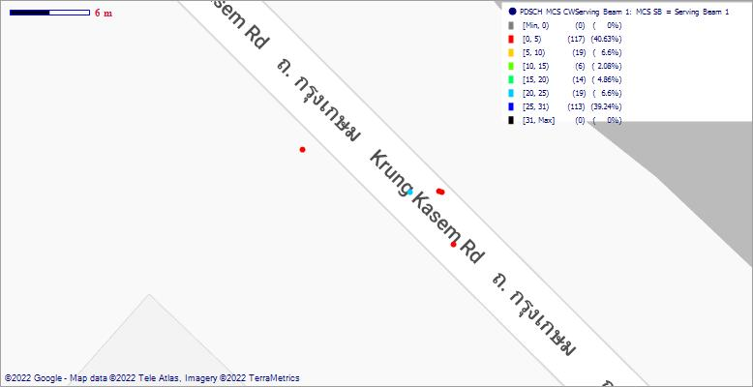
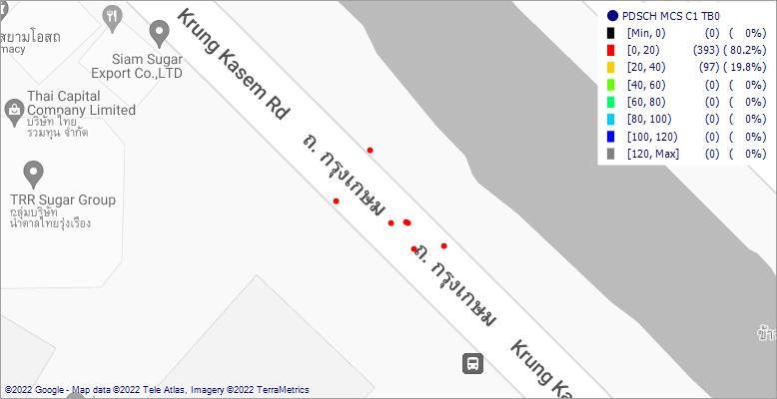
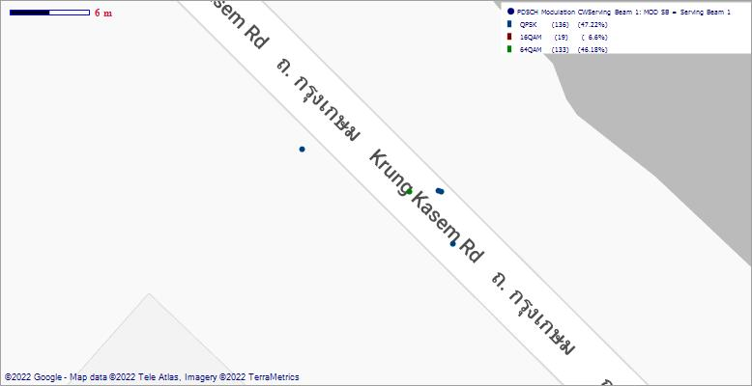

[NR] PDSCH BLER |  |  |  | [LTE] PDSCH BLER |  |  |  | [NR] CQI |  |  |  | [LTE] CQI
 |  | PDF (%) | CDF (%) |  |  | PDF (%) | CDF (%) |  |  | PDF (%) | CDF (%) |  |  | PDF (%) | CDF (%)
 | Range | PDF % | CDF % |  | Range | PDF % | CDF % |  | Range | PDF % | CDF % |  | Range | PDF % | CDF %
 | [Min, 0) | 0 | 0 |  | [Min, 0) | 0 | 0 |  | [Min, 0) | 0 | 0 |  | [Min, 0) | 0 | 0
 | [0, 20) | 100 | 100 |  | [0, 20) | 98.78 | 98.78 |  | [0, 4) | 0 | 0 |  | [0, 4) | 0 | 0
 | [20, 40) | 0 | 100 |  | [20, 40) | 0.41 | 99.19 |  | [4, 8) | 0 | 0 |  | [4, 8) | 0 | 0
 | [40, 60) | 0 | 100 |  | [40, 60) | 0 | 99.19 |  | [8, 12) | 0.76 | 0.76 |  | [8, 12) | 0.15 | 0.15
 | [60, 80) | 0 | 100 |  | [60, 80) | 0 | 99.19 |  | [12, 16) | 99.24 | 100 |  | [12, 16) | 99.85 | 100
 | [80, 100) | 0 | 100 |  | [80, 100) | 0 | 99.19 |  | [16, 20) | 0 | 100 |  | [16, 20) | 0 | 100
 | [100, 120) | 0 | 100 |  | [100, 120) | 0.81 | 100 |  | [20, 24) | 0 | 100 |  | [20, 24) | 0 | 100
 | [120, Max] | 0 | 100 |  | [120, Max] | 0 | 100 |  | [24, Max] | 0 | 100 |  | [24, Max] | 0 | 100

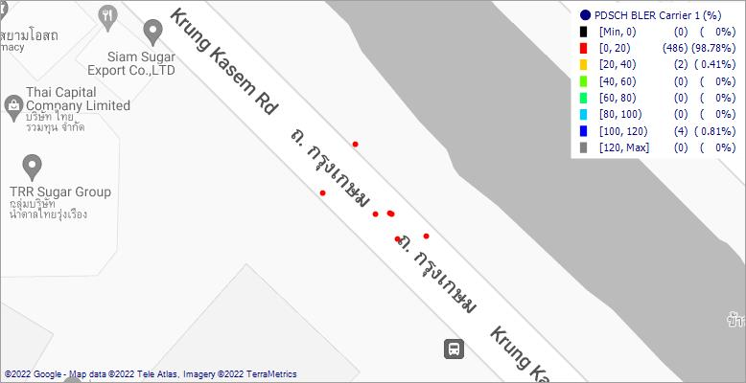
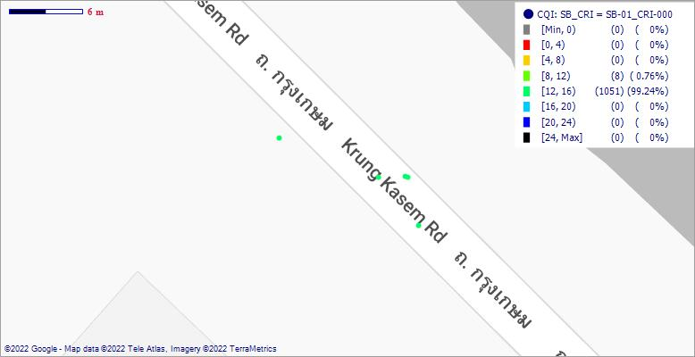
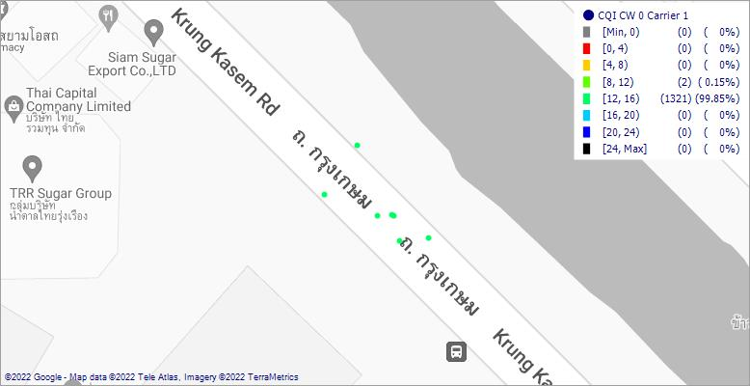
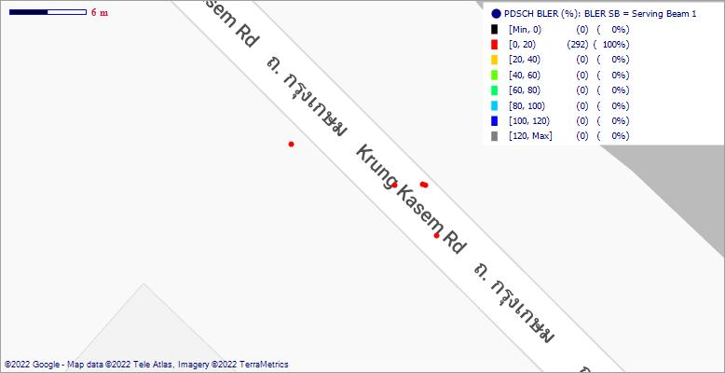

[NR] PDSCH RI |  |  |  | [LTE] PDSCH RI |  |  |  | [NR] PDSCH PMI |  |  |  | [LTE] PDSCH PMI
 |  | PDF (%) | CDF (%) |  |  | PDF (%) | CDF (%) |  |  | PDF (%) | CDF (%) |  |  | PDF (%) | CDF (%)
 | Range | PDF % | CDF % |  | Range | PDF % | CDF % |  | Range | PDF % | CDF % |  | Range | PDF % | CDF %
 | 2 | 100 | 100 |  | [Min, 0) | 0 | 0 |  | [Min, 1) | 100 | 100 |  | [Min, 1) | 24.48 | 24.48
 |  |  |  |  | [0, 1) | 0 | 0 |  | [1, 4) | 0 | 100 |  | [1, 4) | 75.52 | 100
 |  |  |  |  | [1, 1.5) | 48.96 | 48.96 |  | [4, 7) | 0 | 100 |  | [4, 7) | 0 | 100
 |  |  |  |  | [1.5, 2) | 27.08 | 76.04 |  | [7, 10) | 0 | 100 |  | [7, 10) | 0 | 100
 |  |  |  |  | [2, 2.5) | 23.96 | 100 |  | [10, 13) | 0 | 100 |  | [10, 13) | 0 | 100
 |  |  |  |  | [2.5, 3) | 0 | 100 |  | [13, 16) | 0 | 100 |  | [13, 16) | 0 | 100
 |  |  |  |  | [3, 4) | 0 | 100 |  | [16, Max] | 0 | 100 |  | [16, Max] | 0 | 100
 |  |  |  |  | [4, Max] | 0 | 100

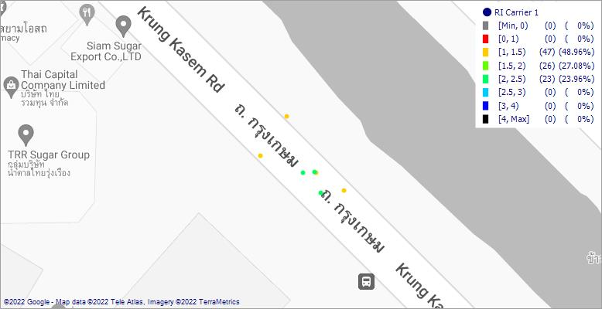
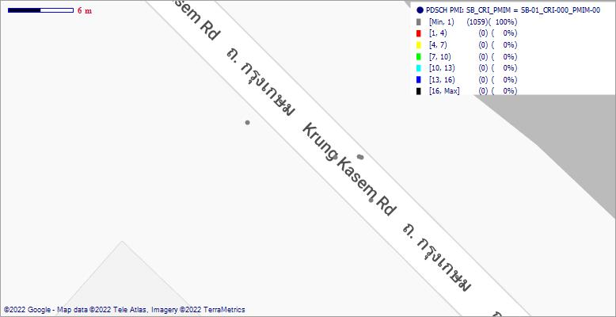
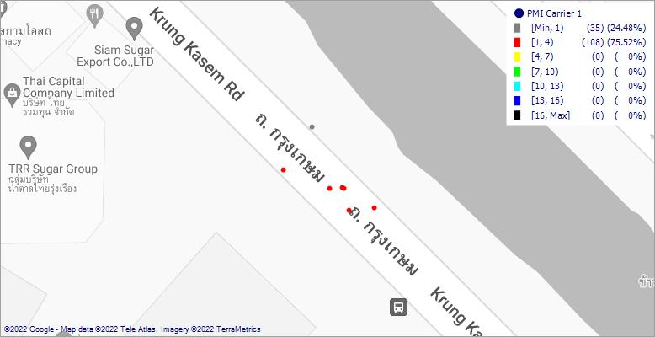
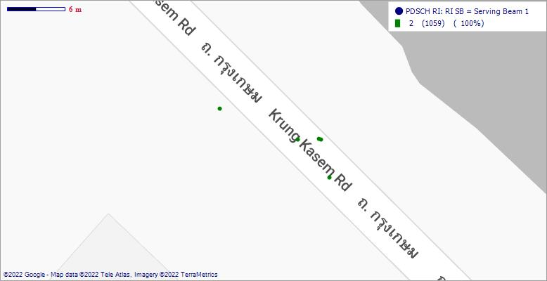

 | PDF (%) | CDF (%)
 | 0
[NR] PDSCH TS |  |  |  | [LTE] PDSCH TS |  |  |  | [NR] PUSCH Modulation |  |  |  | [LTE] PUSCH Modulation
 |  | PDF (%) | CDF (%) |  |  | PDF (%) | CDF (%) |  |  | PDF (%) | CDF (%) |  |  | PDF (%) | CDF (%)
 | Range | PDF % | CDF % |  | Range | PDF % | CDF % |  | Range | PDF % | CDF % |  | Range | PDF % | CDF %
 |  | . |  |  | Closed-loop Spatial Multiplexing | 65.28 | 65.28 |  | 16QAM | 0.28 | 0.28 |  | 16QAM | 2.37 | 2.37
 |  |  |  |  | Transmit Diversity | 34.72 | 100 |  | 64QAM | 4.35 | 4.63 |  | 256QAM | 0 | 2.37
 |  |  |  |  |  |  |  |  | QPSK | 95.37 | 100 |  | 64QAM | 77.96 | 80.33
 |  |  |  |  |  |  |  |  |  |  |  |  | QPSK | 19.67 | 100

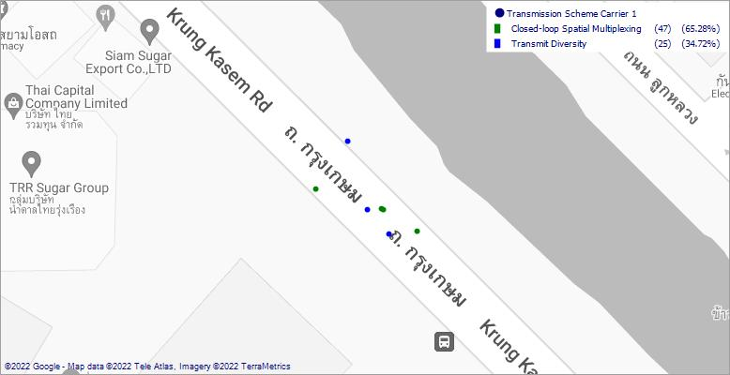
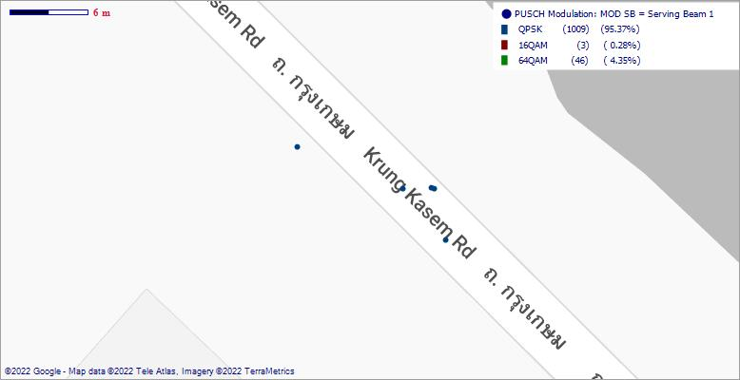
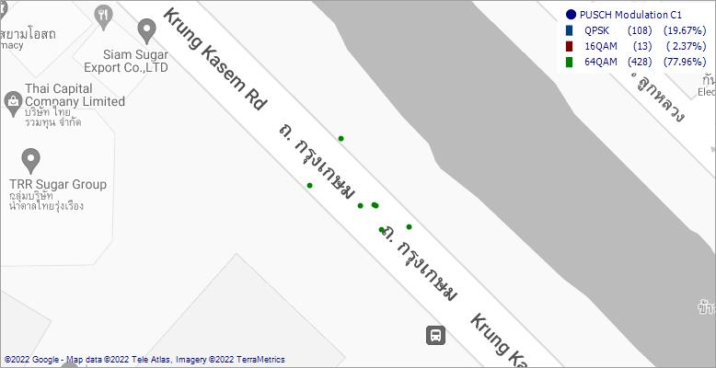

[NR] PUSCH MCS |  |  |  | [LTE] PUSCH MCS |  |  |  | [NR] PUSCH BLER |  |  |  | [LTE] PUSCH BLER
 |  | PDF (%) | CDF (%) |  |  | PDF (%) | CDF (%) |  |  | PDF (%) | CDF (%) |  |  | PDF (%) | CDF (%)
 | Range | PDF % | CDF % |  | Range | PDF % | CDF % |  | Range | PDF % | CDF % |  | Range | PDF % | CDF %
 | [Min, 0) | 0 | 0 |  | [Min, 0) | 0 | 0 |  | [Min, 0) | 0 | 0 |  | [Min, 0) | 0 | 0
 | [0, 5) | 95.08 | 95.08 |  | [0, 5) | 11.85 | 11.85 |  | [0, 20) | 100 | 100 |  | [0, 20) | 97.46 | 97.46
 | [5, 10) | 0.38 | 95.46 |  | [5, 10) | 0 | 11.85 |  | [20, 40) | 0 | 100 |  | [20, 40) | 2.15 | 99.61
 | [10, 15) | 0 | 95.46 |  | [10, 15) | 1.81 | 13.65 |  | [40, 60) | 0 | 100 |  | [40, 60) | 0.2 | 99.8
 | [15, 20) | 0.19 | 95.65 |  | [15, 20) | 12.25 | 25.9 |  | [60, 80) | 0 | 100 |  | [60, 80) | 0.2 | 100
 | [20, 25) | 0.19 | 95.84 |  | [20, 25) | 18.07 | 43.98 |  | [80, 100) | 0 | 100 |  | [80, 100) | 0 | 100
 | [25, 31) | 4.16 | 100 |  | [25, 29) | 55.82 | 99.8 |  | [100, 120) | 0 | 100 |  | [100, 120) | 0 | 100
 | [31, Max] | 0 | 100 |  | [29, 31) | 0.2 | 100 |  | [120, Max] | 0 | 100 |  | [120, Max] | 0 | 100
 |  |  |  |  | [31, Max] | 0 | 100

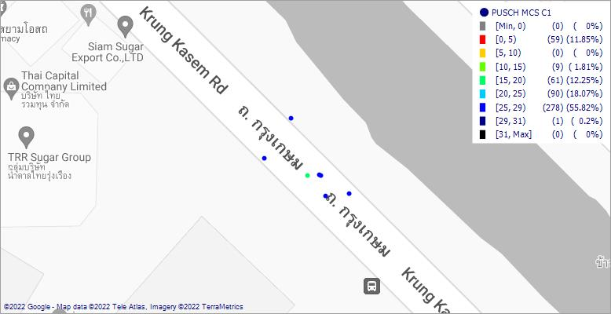
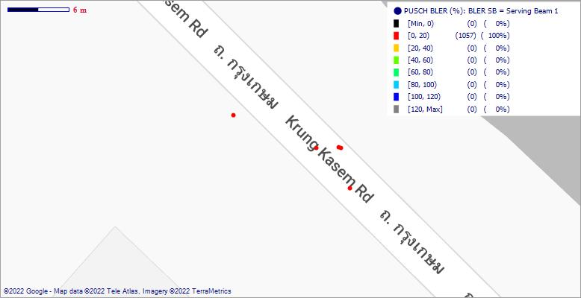

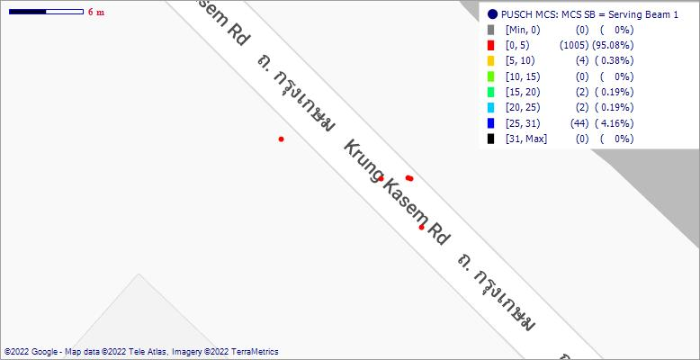

[NR] Physical DL Throughput |  |  |  | [LTE] Physical DL Throughput |  |  |  | [NR] Physical UL Throughput |  |  |  | [LTE] Physical UL Throughput
 |  | PDF (%) | CDF (%) |  |  | PDF (%) | CDF (%) |  |  | PDF (%) | CDF (%) |  |  | PDF (%) | CDF (%)
 | Range | PDF % | CDF % |  | Range | PDF % | CDF % |  | Range | PDF % | CDF % |  | Range | PDF % | CDF %
 | [Min, 0) | 0 | 0 |  | [Min, 0) | 0 | 0 |  | [Min, 0) | 0 | 0 |  | [Min, 0) | 0 | 0
 | [0, 100000) | 85.21 | 85.21 |  | [0, 10000) | 98.72 | 98.72 |  | [0, 40000) | 95.64 | 95.64 |  | [0, 4000) | 100 | 100
 | [100000, 200000) | 0.95 | 86.16 |  | [10000, 20000) | 0.64 | 99.36 |  | [40000, 80000) | 0.28 | 95.92 |  | [4000, 8000) | 0 | 100
 | [200000, 300000) | 1.42 | 87.58 |  | [20000, 30000) | 0.64 | 100 |  | [80000, 120000) | 0.28 | 96.2 |  | [8000, 12000) | 0 | 100
 | [300000, 400000) | 2.46 | 90.05 |  | [30000, 40000) | 0 | 100 |  | [120000, 160000) | 0.85 | 97.06 |  | [12000, 16000) | 0 | 100
 | [400000, 500000) | 0.95 | 91 |  | [40000, 50000) | 0 | 100 |  | [160000, 200000) | 0 | 97.06 |  | [16000, 20000) | 0 | 100
 | [500000, Max] | 9 | 100 |  | [50000, Max] | 0 | 100 |  | [200000, 240000) | 0.28 | 97.34 |  | [20000, 24000) | 0 | 100
 |  |  |  |  |  |  |  |  | [240000, Max] | 2.66 | 100 |  | [24000, Max] | 0 | 100

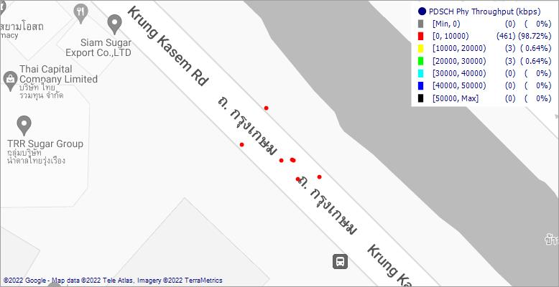
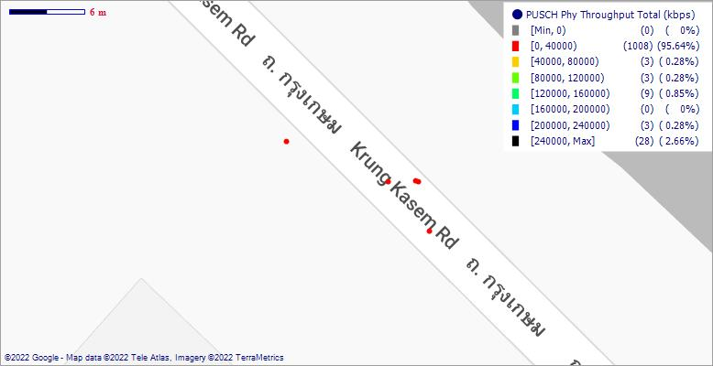

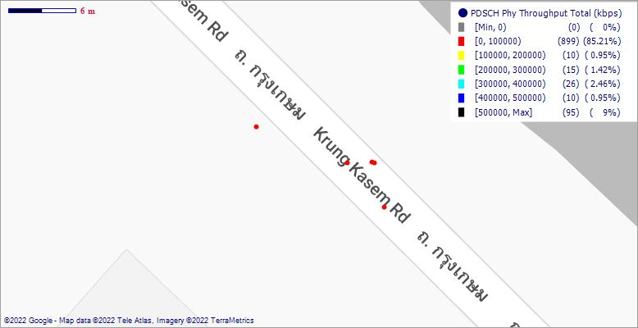

[NR] MAC DL Throughput |  |  |  | [LTE] MAC DL Throughput |  |  |  | [NR] MAC DL BLER |  |  |  | [LTE] MAC DL BLER
 |  | PDF (%) | CDF (%) |  |  | PDF (%) | CDF (%) |  |  | PDF (%) | CDF (%) |  |  | PDF (%) | CDF (%)
 | Range | PDF % | CDF % |  | Range | PDF % | CDF % |  | Range | PDF % | CDF % |  | Range | PDF % | CDF %
 | [Min, 0) | 0 | 0 |  | [Min, 0) | 0 | 0 |  | [Min, 0) | 0 | 0 |  | [Min, 0) | 0 | 0
 | [0, 100000) | 85.21 | 85.21 |  | [0, 1000000) | 100 | 100 |  | [0, 20) | 100 | 100 |  | [0, 20) | 0 | 0
 | [100000, 200000) | 0.95 | 86.16 |  | [1000000, 2000000) | 0 | 100 |  | [20, 40) | 0 | 100 |  | [20, 40) | 0 | 0
 | [200000, 300000) | 1.42 | 87.58 |  | [2000000, 3000000) | 0 | 100 |  | [40, 60) | 0 | 100 |  | [40, 60) | 0 | 0
 | [300000, 400000) | 2.46 | 90.05 |  | [3000000, 4000000) | 0 | 100 |  | [60, 80) | 0 | 100 |  | [60, 80) | 0 | 0
 | [400000, 500000) | 0.95 | 91 |  | [4000000, 5000000) | 0 | 100 |  | [80, 100) | 0 | 100 |  | [80, 100) | 0 | 0
 | [500000, Max] | 9 | 100 |  | [5000000, Max] | 0 | 100 |  | [100, 120) | 0 | 100 |  | [100, 120) | 0 | 0
 |  |  |  |  |  |  |  |  | [120, Max] | 0 | 100 |  | [120, Max] | 0 | 0

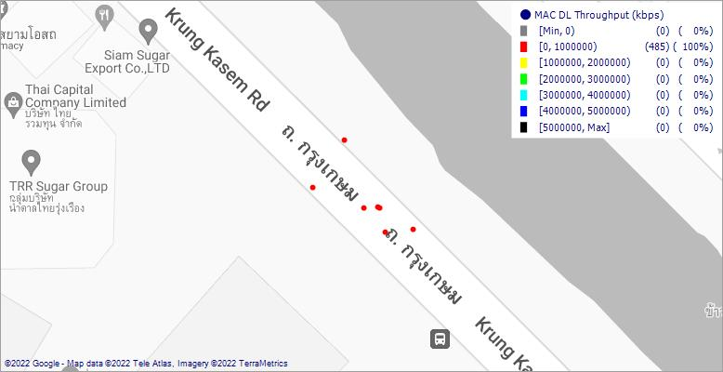
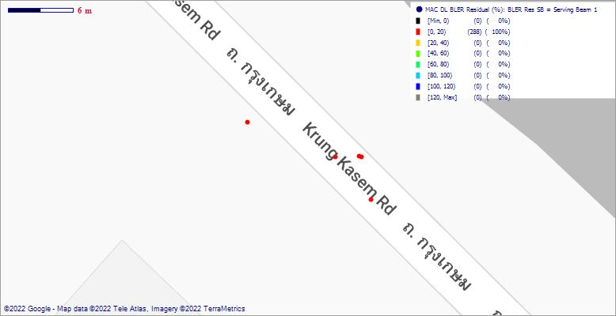
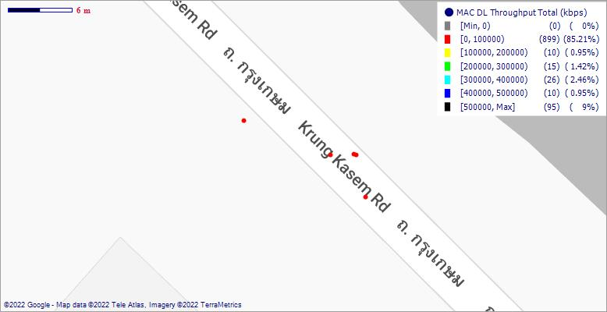

[NR] RLC DL Throughput |  |  |  | [LTE] RLC DL Throughput |  |  |  | [NR] RLC UL Throughput |  |  |  | [LTE] RLC UL Throughput
 |  | PDF (%) | CDF (%) |  |  | PDF (%) | CDF (%) |  |  | PDF (%) | CDF (%) |  |  | PDF (%) | CDF (%)
 | Range | PDF % | CDF % |  | Range | PDF % | CDF % |  | Range | PDF % | CDF % |  | Range | PDF % | CDF %
 | [Min, 0) | 0 | 0 |  | [Min, 0) | 0 | 0 |  | [Min, 0) | 0 | 0 |  | [Min, 0) | 0 | 0
 | [0, 100000) | 88.05 | 88.05 |  | [0, 10000) | 99.85 | 99.85 |  | [0, 40000) | 95.35 | 95.35 |  | [0, 10000) | 100 | 100
 | [100000, 200000) | 0.85 | 88.9 |  | [10000, 20000) | 0.15 | 100 |  | [40000, 80000) | 0.66 | 96.01 |  | [10000, 20000) | 0 | 100
 | [200000, 300000) | 1.16 | 90.05 |  | [20000, 30000) | 0 | 100 |  | [80000, 120000) | 0.28 | 96.3 |  | [20000, 30000) | 0 | 100
 | [300000, 400000) | 1.93 | 91.98 |  | [30000, 40000) | 0 | 100 |  | [120000, 160000) | 0.76 | 97.06 |  | [30000, 40000) | 0 | 100
 | [400000, 500000) | 1.08 | 93.06 |  | [40000, 50000) | 0 | 100 |  | [160000, 200000) | 0 | 97.06 |  | [40000, 50000) | 0 | 100
 | [500000, Max] | 6.94 | 100 |  | [50000, Max] | 0 | 100 |  | [200000, 240000) | 0.28 | 97.34 |  | [50000, Max] | 0 | 100
 |  |  |  |  |  |  |  |  | [240000, Max] | 2.66 | 100

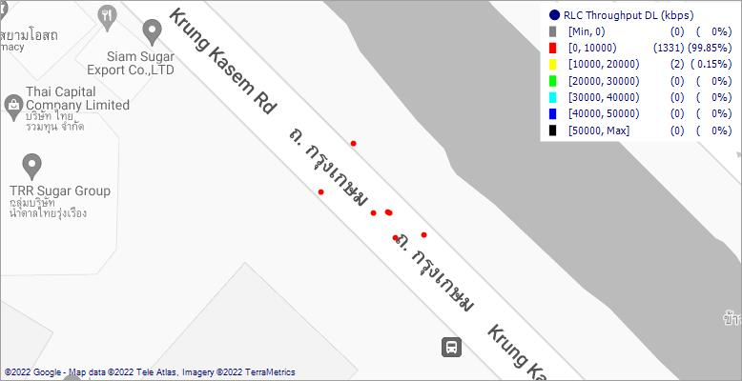
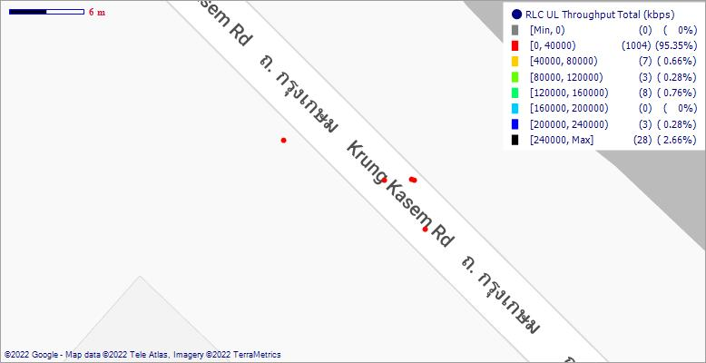

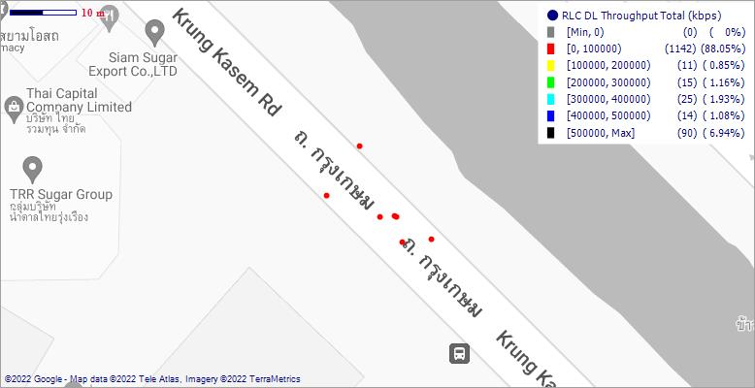

[MR-DC] DRB RLC DL Throughput |  |  |  | [MR-DC] DRB RLC UL Throughput |  |  |  | [MR-DC] PDCP DL Throughput |  |  |  | [MR-DC] PDCP UL Throughput
 |  | PDF (%) | CDF (%) |  |  | PDF (%) | CDF (%) |  |  | PDF (%) | CDF (%) |  |  | PDF (%) | CDF (%)
 | Range | PDF % | CDF % |  | Range | PDF % | CDF % |  | Range | PDF % | CDF % |  | Range | PDF % | CDF %
 | [Min, 0) | 0 | 0 |  | [Min, 0) | 0 | 0 |  | [Min, 0) | 0 | 0 |  | [Min, 0) | 0 | 0
 | [0, 100000) | 87.92 | 87.92 |  | [0, 40000) | 96.25 | 96.25 |  | [0, 100000) | 88.37 | 88.37 |  | [0, 40000) | 96.27 | 96.27
 | [100000, 200000) | 1.35 | 89.27 |  | [40000, 80000) | 0.54 | 96.78 |  | [100000, 200000) | 0.68 | 89.05 |  | [40000, 80000) | 0.53 | 96.81
 | [200000, 300000) | 0.9 | 90.17 |  | [80000, 120000) | 0.23 | 97.01 |  | [200000, 300000) | 1.21 | 90.26 |  | [80000, 120000) | 0.23 | 97.03
 | [300000, 400000) | 2.25 | 92.42 |  | [120000, 160000) | 0.61 | 97.62 |  | [300000, 400000) | 1.89 | 92.15 |  | [120000, 160000) | 0.61 | 97.64
 | [400000, 500000) | 0.98 | 93.4 |  | [160000, 200000) | 0 | 97.62 |  | [400000, 500000) | 1.06 | 93.2 |  | [160000, 200000) | 0 | 97.64
 | [500000, Max] | 6.6 | 100 |  | [200000, 240000) | 0.31 | 97.93 |  | [500000, Max] | 6.8 | 100 |  | [200000, 240000) | 0.38 | 98.02
 |  |  |  |  | [240000, Max] | 2.07 | 100 |  |  |  |  |  | [240000, Max] | 1.98 | 100

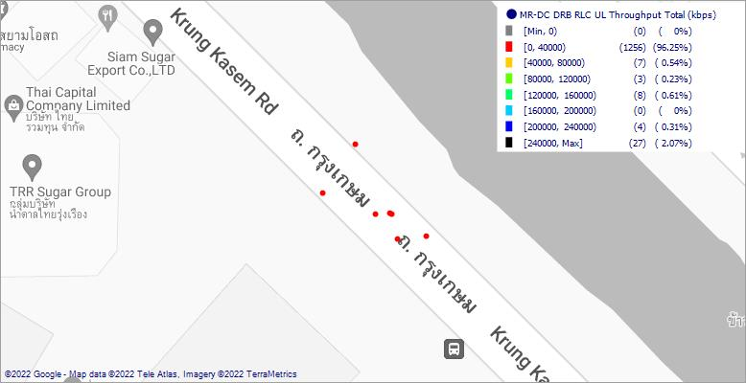
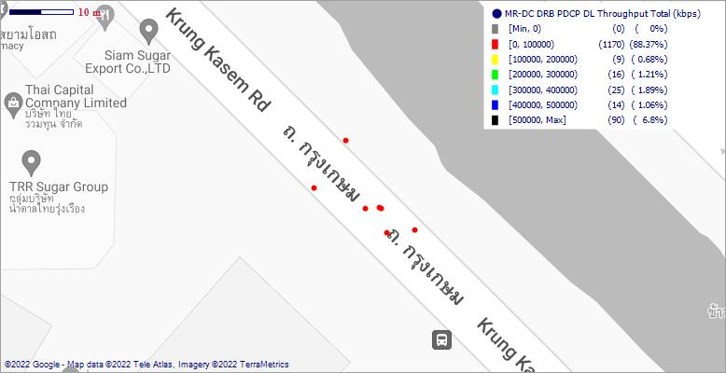
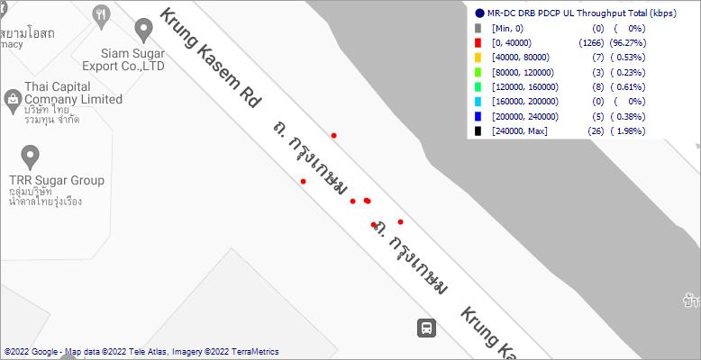


[NR] Serving SSB Beam |  |  |  | Multi RAT Connectivity Mode |  |  |  | [NR] Serving Cell Identity |  |  |  | [LTE] Serving Cell Identity
 |  | PDF (%) | CDF (%) |  |  | PDF (%) | CDF (%) |  |  | PDF (%) | CDF (%) |  |  | PDF (%) | CDF (%)
 | Range | PDF % | CDF % |  | Range | PDF % | CDF % |  | Range | PDF % | CDF % |  | Range | PDF % | CDF %
 | 2058139_0002_62 | 89.9 | 89.9 |  | EN-DC 1LTE+3NR | 50 | 50 |  | 2 | 99.91 | 99.91 |  | 11 | 100 | 100
 | 2058139_0002_61 | 9.16 | 99.06 |  | LTE | 50 | 100 |  | 1 | 0.09 | 100
 | 2058139_0002_60 | 0.47 | 99.53
 | 2058139_0002_20 | 0.28 | 99.81
 | 2056411_0001_62 | 0.09 | 99.91
 | 2058139_0002_04 | 0.09 | 100

